Assignment
Login | Create a Login screen as shown below:
 | Process the above Login Form using servlet. If the UserId / Password is correct then, display the user information into a JSP page by fetching data from DB using this Servlet.

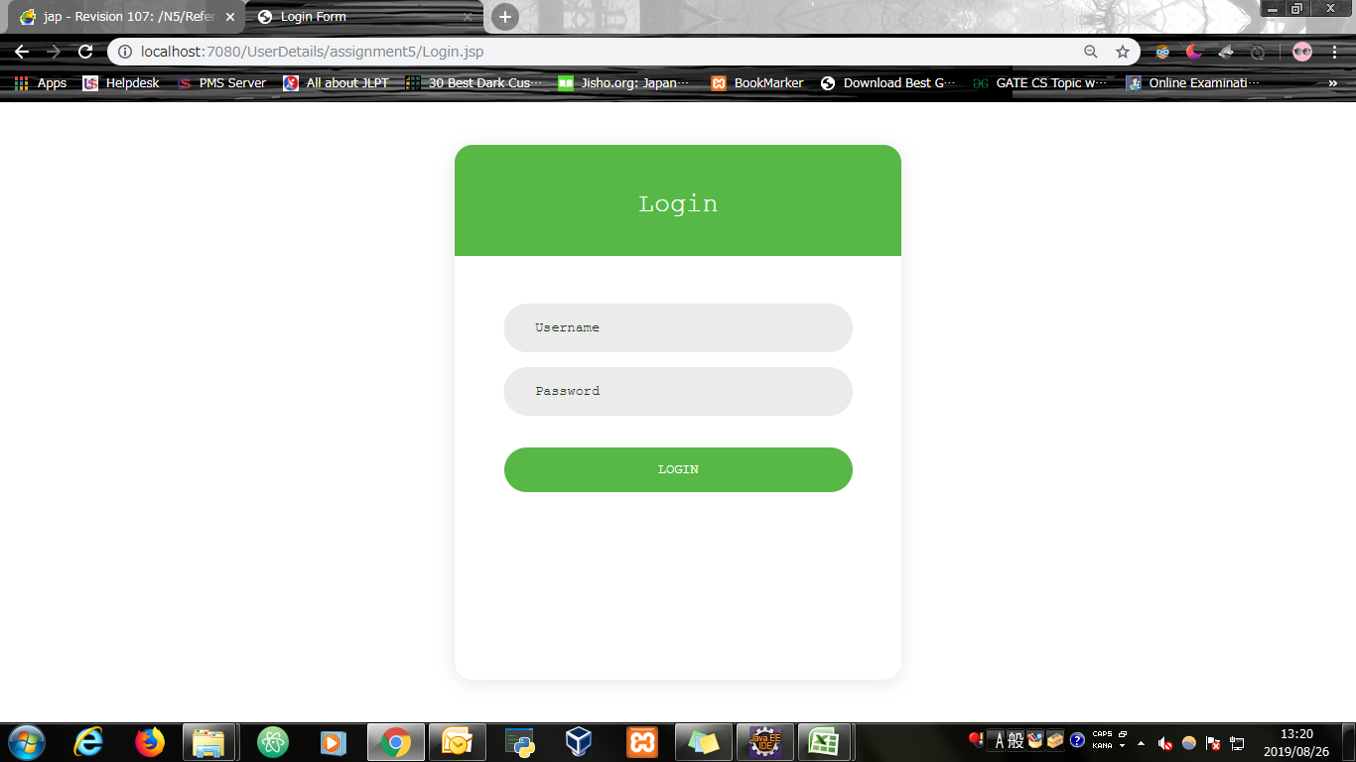
Input Screen

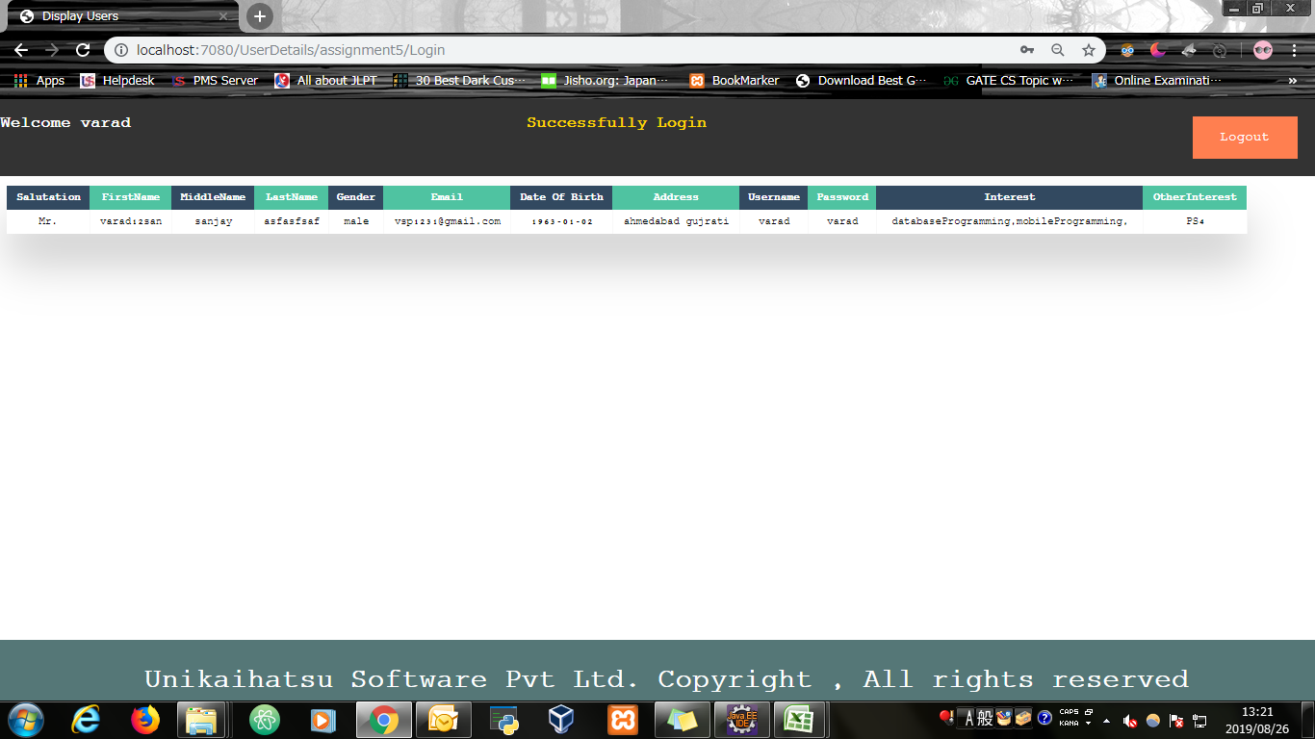
Output Screen

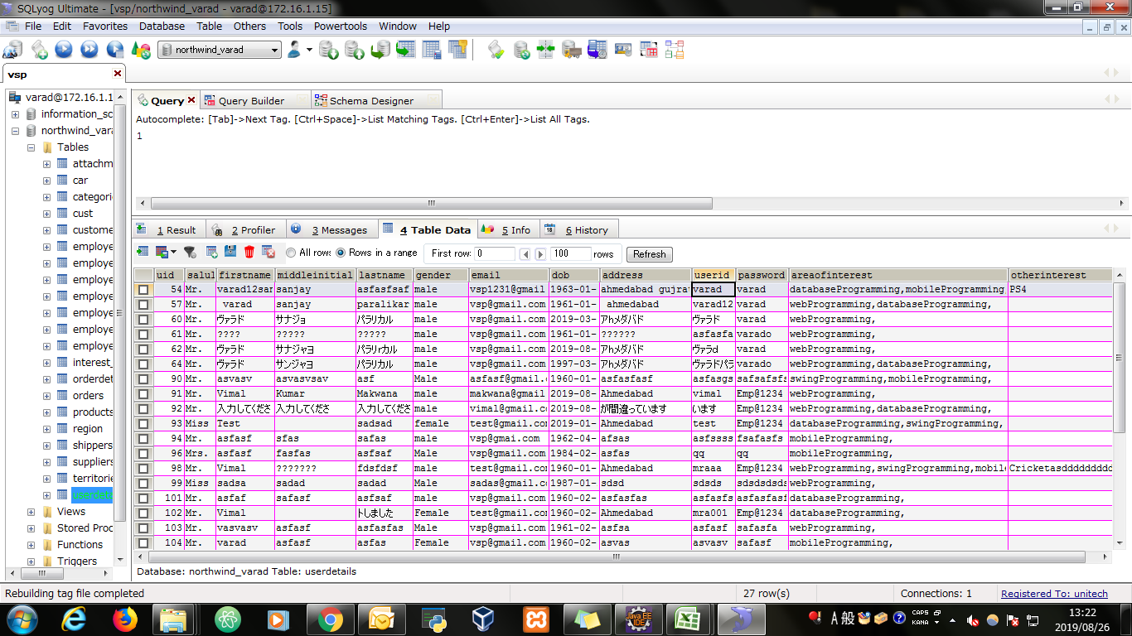
Database

Evidence
Screen shoot 1: | Page Load

Screen shoot 2: | Error Message

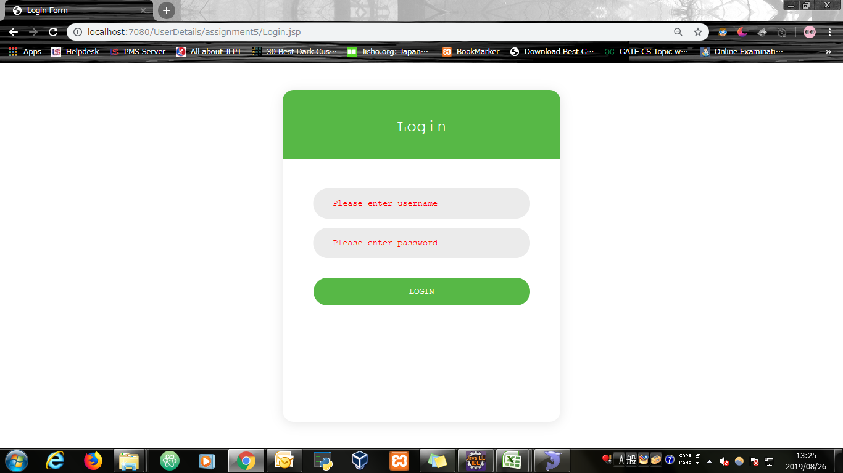

Screen shoot 3: | Successfully display data from the database

